Daily Power Station Chart_14-01
Plant_23/07/2025Chart

Plant:odco1 |  |  | Installed Capacity:111.180kWp
Today Yield(kWh):600.000kWh |  | Today Earning:240000.000TND |  | Today Full Load Hours(h):5.40h

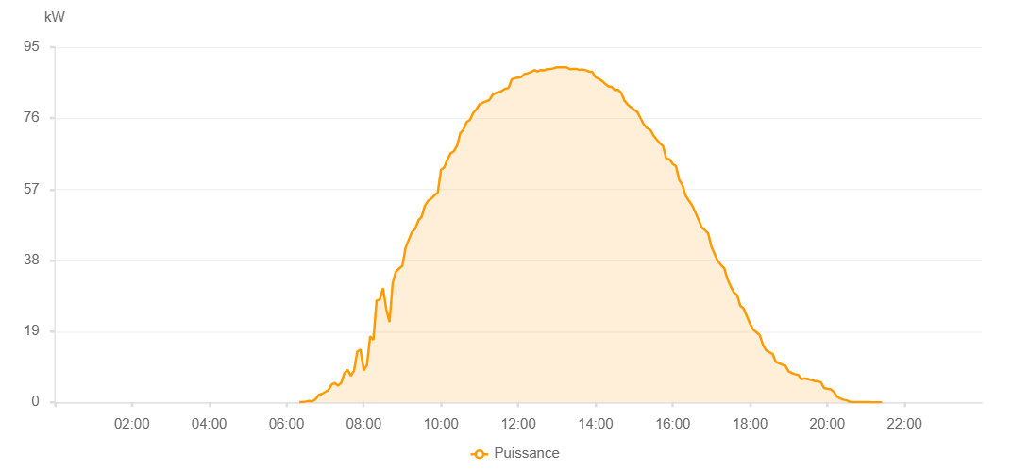

Number | Time | Working State | PV(W) | Instantaneous Radiation(W/㎡)
1 | 06:20:00 | Online | 40.00000 | 0
2 | 06:25:00 | Online | 90.00000 | 0
3 | 06:30:00 | Online | 220.00000 | 0
4 | 06:35:00 | Online | 400.00000 | 3.00000
5 | 06:40:00 | Online | 240.00000 | 8.00000
6 | 06:45:00 | Online | 830.00000 | 11.00000
7 | 06:50:00 | Online | 1950.00000 | 18.00000
8 | 06:55:00 | Online | 2280.00000 | 23.00000
9 | 07:00:00 | Online | 2780.00000 | 31.00000
10 | 07:05:00 | Online | 3230.00000 | 36.00000
11 | 07:10:00 | Online | 4740.00000 | 45.00000
12 | 07:15:00 | Online | 5210.00000 | 62.00000
13 | 07:20:00 | Online | 4450.00000 | 59.00000
14 | 07:25:00 | Online | 5240.00000 | 48.00000
15 | 07:30:00 | Online | 7780.00000 | 85.00000
16 | 07:35:00 | Online | 8680.00000 | 117.00000
17 | 07:40:00 | Online | 7110.00000 | 67.00000
18 | 07:45:00 | Online | 8510.00000 | 95.00000
19 | 07:50:00 | Online | 13570.00000 | 178.00000
20 | 07:55:00 | Online | 14160.00000 | 191.00000
21 | 08:00:00 | Online | 8580.00000 | 74.00000
22 | 08:05:00 | Online | 9940.00000 | 90.00000
23 | 08:10:00 | Online | 17660.00000 | 145.00000
24 | 08:15:00 | Online | 16720.00000 | 129.00000
25 | 08:20:00 | Online | 27250.00000 | 339.00000
26 | 08:25:00 | Online | 27520.00000 | 354.00000
27 | 08:30:00 | Online | 30530.00000 | 361.00000
28 | 08:35:00 | Online | 24940.00000 | 333.00000
29 | 08:40:00 | Online | 21470.00000 | 120.00000
30 | 08:45:00 | Online | 31940.00000 | 398.00000
31 | 08:50:00 | Online | 35000.00000 | 416.00000
32 | 08:55:00 | Online | 35800.00000 | 434.00000
33 | 09:00:00 | Online | 36560.00000 | 454.00000
34 | 09:05:00 | Online | 41380.00000 | 473.00000
35 | 09:10:00 | Online | 43520.00000 | 494.00000
36 | 09:15:00 | Online | 45570.00000 | 513.00000
37 | 09:20:00 | Online | 46440.00000 | 534.00000
38 | 09:25:00 | Online | 48680.00000 | 553.00000
39 | 09:30:00 | Online | 49640.00000 | 573.00000
40 | 09:35:00 | Online | 52620.00000 | 590.00000
41 | 09:40:00 | Online | 53930.00000 | 609.00000
42 | 09:45:00 | Online | 54510.00000 | 626.00000
43 | 09:50:00 | Online | 55410.00000 | 642.00000
44 | 09:55:00 | Online | 56140.00000 | 660.00000
45 | 10:00:00 | Online | 62210.00000 | 675.00000
46 | 10:05:00 | Online | 62890.00000 | 691.00000
47 | 10:10:00 | Online | 64960.00000 | 708.00000
48 | 10:15:00 | Online | 66620.00000 | 722.00000
49 | 10:20:00 | Online | 67170.00000 | 738.00000
50 | 10:25:00 | Online | 68670.00000 | 751.00000
51 | 10:30:00 | Online | 71990.00000 | 763.00000
52 | 10:35:00 | Online | 73030.00000 | 779.00000
53 | 10:40:00 | Online | 75000.00000 | 792.00000
54 | 10:45:00 | Online | 75560.00000 | 803.00000
55 | 10:50:00 | Online | 77450.00000 | 817.00000
56 | 10:55:00 | Online | 78400.00000 | 828.00000
57 | 11:00:00 | Online | 79710.00000 | 838.00000
58 | 11:05:00 | Online | 80180.00000 | 849.00000
59 | 11:10:00 | Online | 80530.00000 | 858.00000
60 | 11:15:00 | Online | 80860.00000 | 871.00000
61 | 11:20:00 | Online | 82250.00000 | 878.00000
62 | 11:25:00 | Online | 82750.00000 | 887.00000
63 | 11:30:00 | Online | 82960.00000 | 895.00000
64 | 11:35:00 | Online | 83380.00000 | 901.00000
65 | 11:40:00 | Online | 83910.00000 | 909.00000
66 | 11:45:00 | Online | 84070.00000 | 916.00000
67 | 11:50:00 | Online | 86440.00000 | 922.00000
68 | 11:55:00 | Online | 86710.00000 | 926.00000
69 | 12:00:00 | Online | 86850.00000 | 930.00000
70 | 12:05:00 | Online | 87060.00000 | 937.00000
71 | 12:10:00 | Online | 87900.00000 | 938.00000
72 | 12:15:00 | Online | 88020.00000 | 949.00000
73 | 12:20:00 | Online | 88430.00000 | 947.00000
74 | 12:25:00 | Online | 88870.00000 | 955.00000
75 | 12:30:00 | Online | 88520.00000 | 956.00000
76 | 12:35:00 | Online | 88870.00000 | 959.00000
77 | 12:40:00 | Online | 88790.00000 | 957.00000
78 | 12:45:00 | Online | 89160.00000 | 959.00000
79 | 12:50:00 | Online | 89180.00000 | 958.00000
80 | 12:55:00 | Online | 89350.00000 | 963.00000
81 | 13:00:00 | Online | 89630.00000 | 960.00000
82 | 13:05:00 | Online | 89660.00000 | 957.00000
83 | 13:10:00 | Online | 89640.00000 | 955.00000
84 | 13:15:00 | Online | 89630.00000 | 956.00000
85 | 13:20:00 | Online | 89160.00000 | 952.00000
86 | 13:25:00 | Online | 89220.00000 | 947.00000
87 | 13:30:00 | Online | 89210.00000 | 945.00000
88 | 13:35:00 | Online | 88920.00000 | 943.00000
89 | 13:40:00 | Online | 89040.00000 | 938.00000
90 | 13:45:00 | Online | 88850.00000 | 935.00000
91 | 13:50:00 | Online | 88480.00000 | 928.00000
92 | 13:55:00 | Online | 88380.00000 | 924.00000
93 | 14:00:00 | Online | 86960.00000 | 920.00000
94 | 14:05:00 | Online | 86580.00000 | 914.00000
95 | 14:10:00 | Online | 86010.00000 | 906.00000
96 | 14:15:00 | Online | 85220.00000 | 897.00000
97 | 14:20:00 | Online | 84520.00000 | 893.00000
98 | 14:25:00 | Online | 84410.00000 | 887.00000
99 | 14:30:00 | Online | 83510.00000 | 868.00000
100 | 14:35:00 | Online | 83620.00000 | 874.00000
101 | 14:40:00 | Online | 82770.00000 | 855.00000
102 | 14:45:00 | Online | 80740.00000 | 850.00000
103 | 14:50:00 | Online | 79690.00000 | 838.00000
104 | 14:55:00 | Online | 78970.00000 | 828.00000
105 | 15:00:00 | Online | 78290.00000 | 815.00000
106 | 15:05:00 | Online | 77670.00000 | 804.00000
107 | 15:10:00 | Online | 76000.00000 | 799.00000
108 | 15:15:00 | Online | 74350.00000 | 779.00000
109 | 15:20:00 | Online | 73360.00000 | 756.00000
110 | 15:25:00 | Online | 72910.00000 | 748.00000
111 | 15:30:00 | Online | 71410.00000 | 741.00000
112 | 15:35:00 | Online | 70330.00000 | 715.00000
113 | 15:40:00 | Online | 69280.00000 | 702.00000
114 | 15:45:00 | Online | 68560.00000 | 687.00000
115 | 15:50:00 | Online | 65150.00000 | 670.00000
116 | 15:55:00 | Online | 65030.00000 | 662.00000
117 | 16:00:00 | Online | 63760.00000 | 646.00000
118 | 16:05:00 | Online | 63170.00000 | 629.00000
119 | 16:10:00 | Online | 59520.00000 | 611.00000
120 | 16:15:00 | Online | 58190.00000 | 592.00000
121 | 16:20:00 | Online | 55300.00000 | 579.00000
122 | 16:25:00 | Online | 53970.00000 | 558.00000
123 | 16:30:00 | Online | 52730.00000 | 544.00000
124 | 16:35:00 | Online | 50870.00000 | 523.00000
125 | 16:40:00 | Online | 48920.00000 | 505.00000
126 | 16:45:00 | Online | 46870.00000 | 490.00000
127 | 16:50:00 | Online | 46050.00000 | 470.00000
128 | 16:55:00 | Online | 45210.00000 | 450.00000
129 | 17:00:00 | Online | 41690.00000 | 428.00000
130 | 17:05:00 | Online | 39720.00000 | 410.00000
131 | 17:10:00 | Online | 37770.00000 | 389.00000
132 | 17:15:00 | Online | 36720.00000 | 373.00000
133 | 17:20:00 | Online | 35860.00000 | 354.00000
134 | 17:25:00 | Online | 32930.00000 | 331.00000
135 | 17:30:00 | Online | 31030.00000 | 311.00000
136 | 17:35:00 | Online | 29390.00000 | 291.00000
137 | 17:40:00 | Online | 28660.00000 | 273.00000
138 | 17:45:00 | Online | 25800.00000 | 255.00000
139 | 17:50:00 | Online | 25100.00000 | 235.00000
140 | 17:55:00 | Online | 23090.00000 | 139.00000
141 | 18:00:00 | Online | 21030.00000 | 198.00000
142 | 18:05:00 | Online | 19440.00000 | 179.00000
143 | 18:10:00 | Online | 18760.00000 | 164.00000
144 | 18:15:00 | Online | 18020.00000 | 148.00000
145 | 18:20:00 | Online | 15410.00000 | 134.00000
146 | 18:25:00 | Online | 13900.00000 | 120.00000
147 | 18:30:00 | Online | 13430.00000 | 108.00000
148 | 18:35:00 | Online | 12990.00000 | 97.00000
149 | 18:40:00 | Online | 10860.00000 | 88.00000
150 | 18:45:00 | Online | 10470.00000 | 75.00000
151 | 18:50:00 | Online | 10100.00000 | 70.00000
152 | 18:55:00 | Online | 9780.00000 | 66.00000
153 | 19:00:00 | Online | 8250.00000 | 63.00000
154 | 19:05:00 | Online | 7840.00000 | 62.00000
155 | 19:10:00 | Online | 7550.00000 | 59.00000
156 | 19:15:00 | Online | 7310.00000 | 56.00000
157 | 19:20:00 | Online | 6160.00000 | 53.00000
158 | 19:25:00 | Online | 6400.00000 | 51.00000
159 | 19:30:00 | Online | 6240.00000 | 48.00000
160 | 19:35:00 | Online | 6000.00000 | 48.00000
161 | 19:40:00 | Online | 5730.00000 | 47.00000
162 | 19:45:00 | Online | 5610.00000 | 44.00000
163 | 19:50:00 | Online | 5390.00000 | 41.00000
164 | 19:55:00 | Online | 3860.00000 | 37.00000
165 | 20:00:00 | Online | 3660.00000 | 34.00000
166 | 20:05:00 | Online | 3510.00000 | 30.00000
167 | 20:10:00 | Online | 2860.00000 | 27.00000
168 | 20:15:00 | Online | 1560.00000 | 21.00000
169 | 20:20:00 | Online | 1040.00000 | 15.00000
170 | 20:25:00 | Online | 730.00000 | 12.00000
171 | 20:30:00 | Online | 540.00000 | 7.00000
172 | 20:35:00 | Online | 100.00000 | 4.00000
173 | 20:40:00 | Online | 40.00000 | 2.00000
174 | 20:45:00 | Online | 40.00000 | 1.00000
175 | 20:50:00 | Online | 40.00000 | 0
176 | 20:55:00 | Online | 40.00000 | 0
177 | 21:00:00 | Online | 40.00000 | 0
178 | 21:05:00 | Online | 40.00000 | 0
179 | 21:10:00 | Online | 20.00000 | 0
180 | 21:15:00 | Online | 20.00000 | 0
181 | 21:20:00 | Online | 20.00000 | 0
182 | 21:25:00 | Online | 20.00000 | 0
183 | 21:50:00 | Online | 0.00001 | 0.00001

